고유색
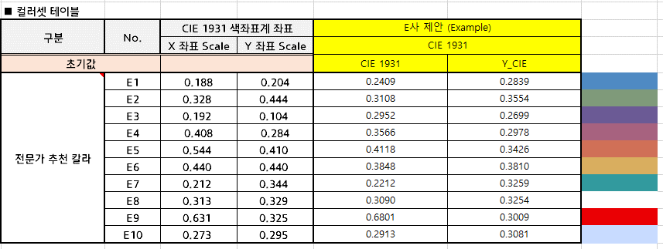

각 LED 사별 CIE 1931 기준의 좌표를 기준으로 색 구현을 위한 tunning 좌표를 제시함
현대차 고유색

기아차 고유색

